EVD_OPL 06-01
Test Case ID
Test Case Summary | Lakukan stop billing manual - 0000017/4/00/09/2023

Step # | Test Evidence | Re-Test Evidence (if found Bug/Issue)
1
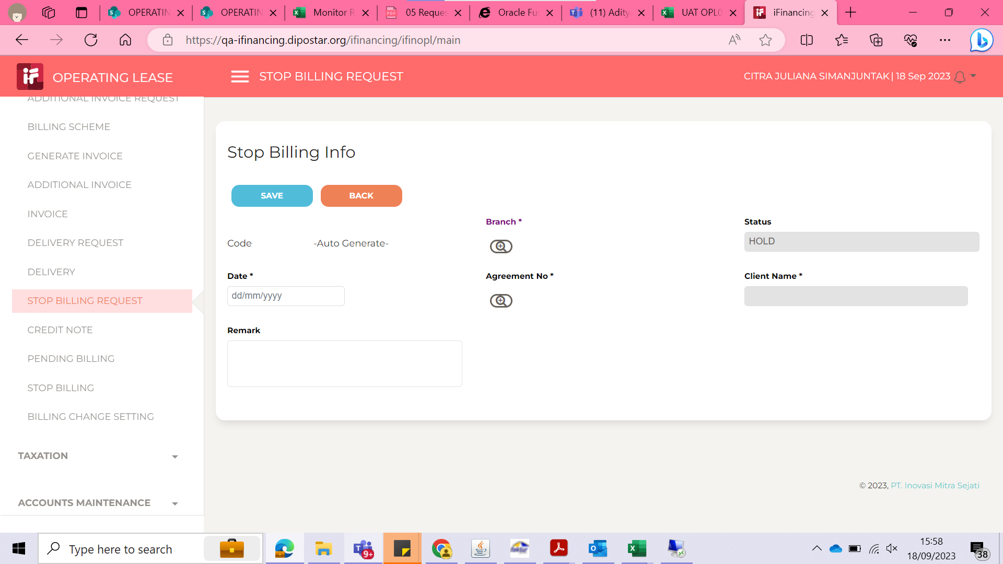

2
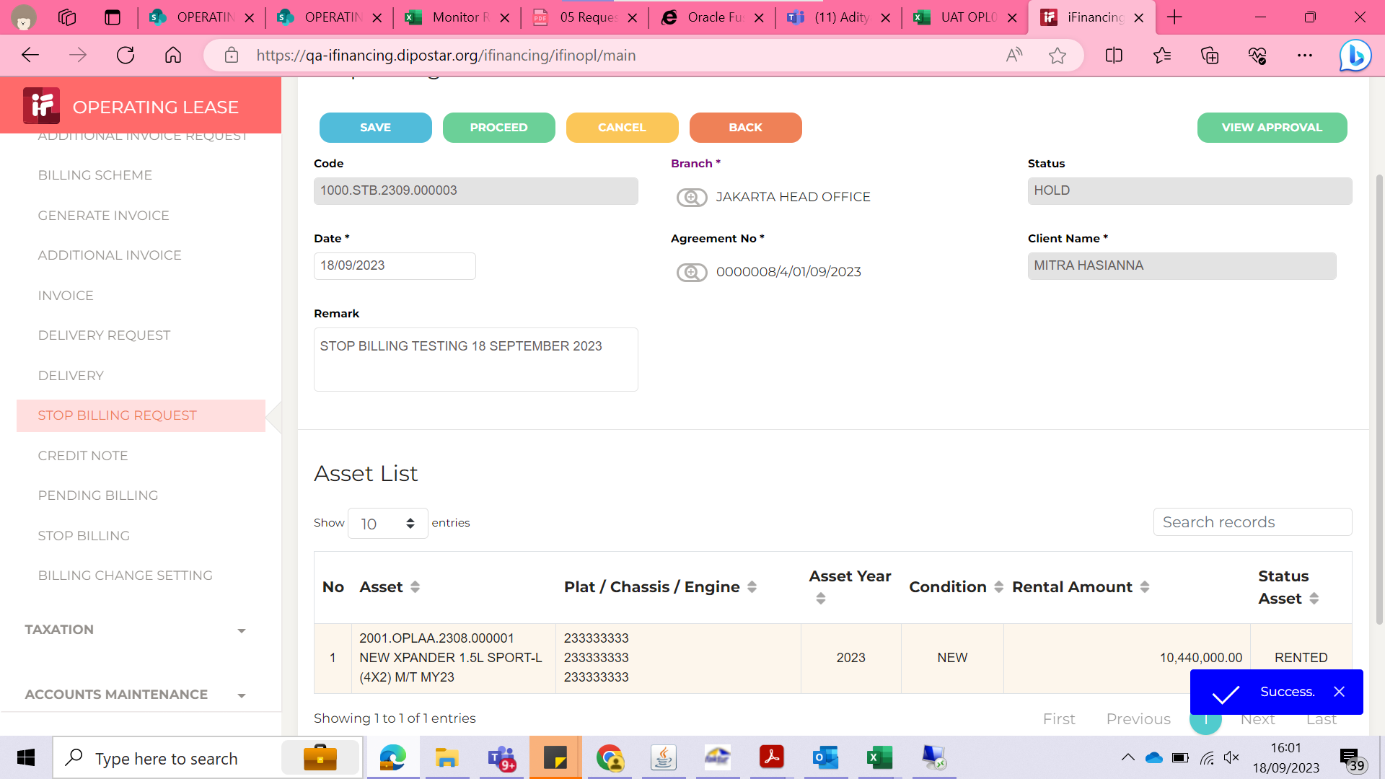

3
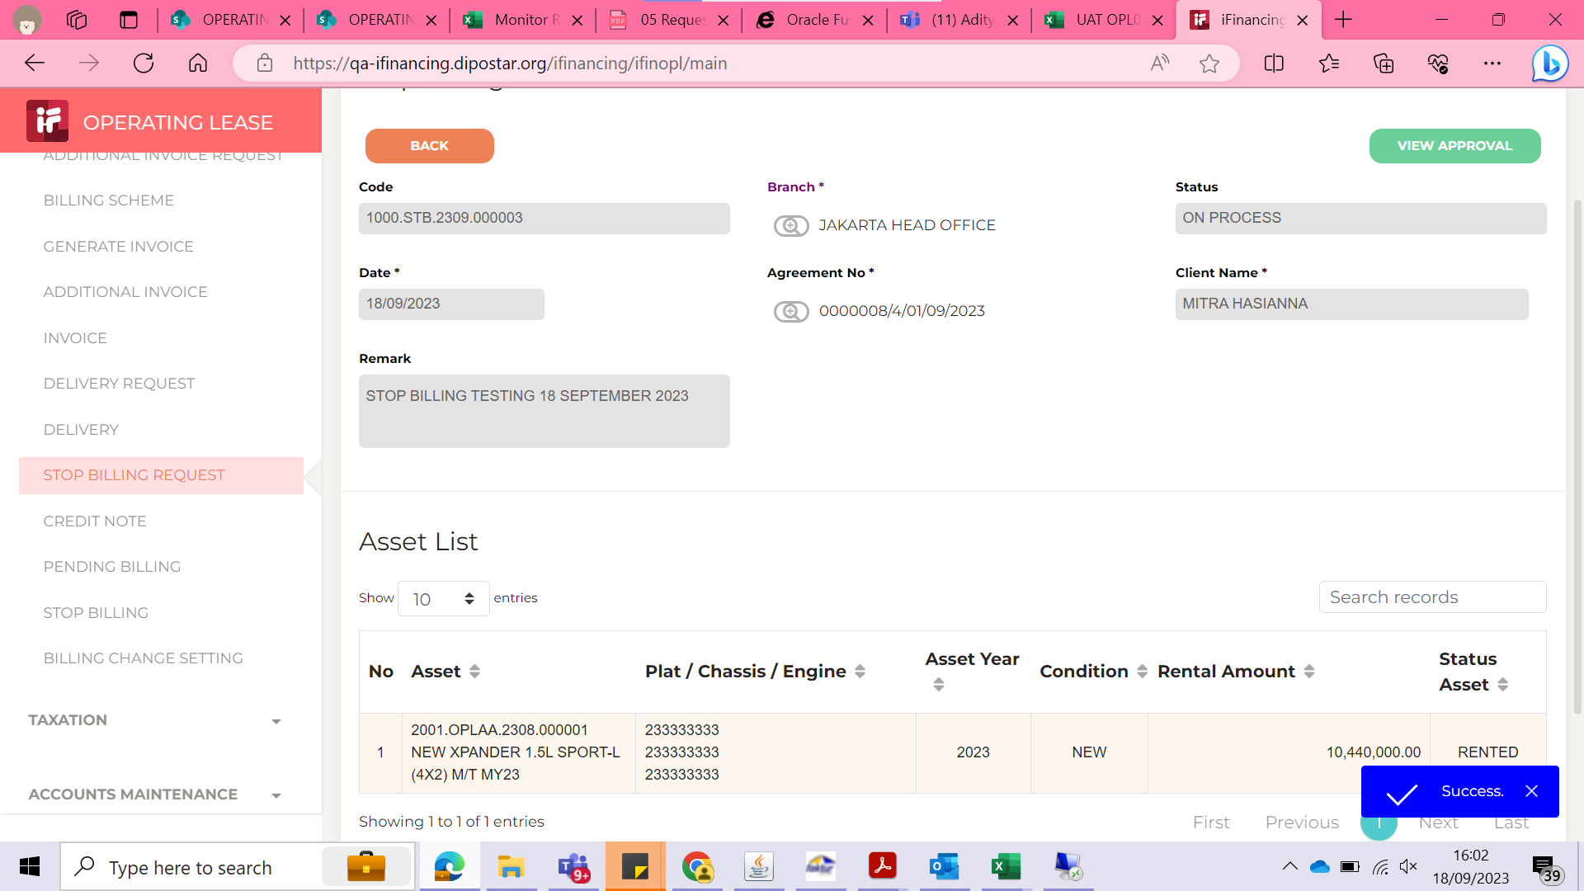

4
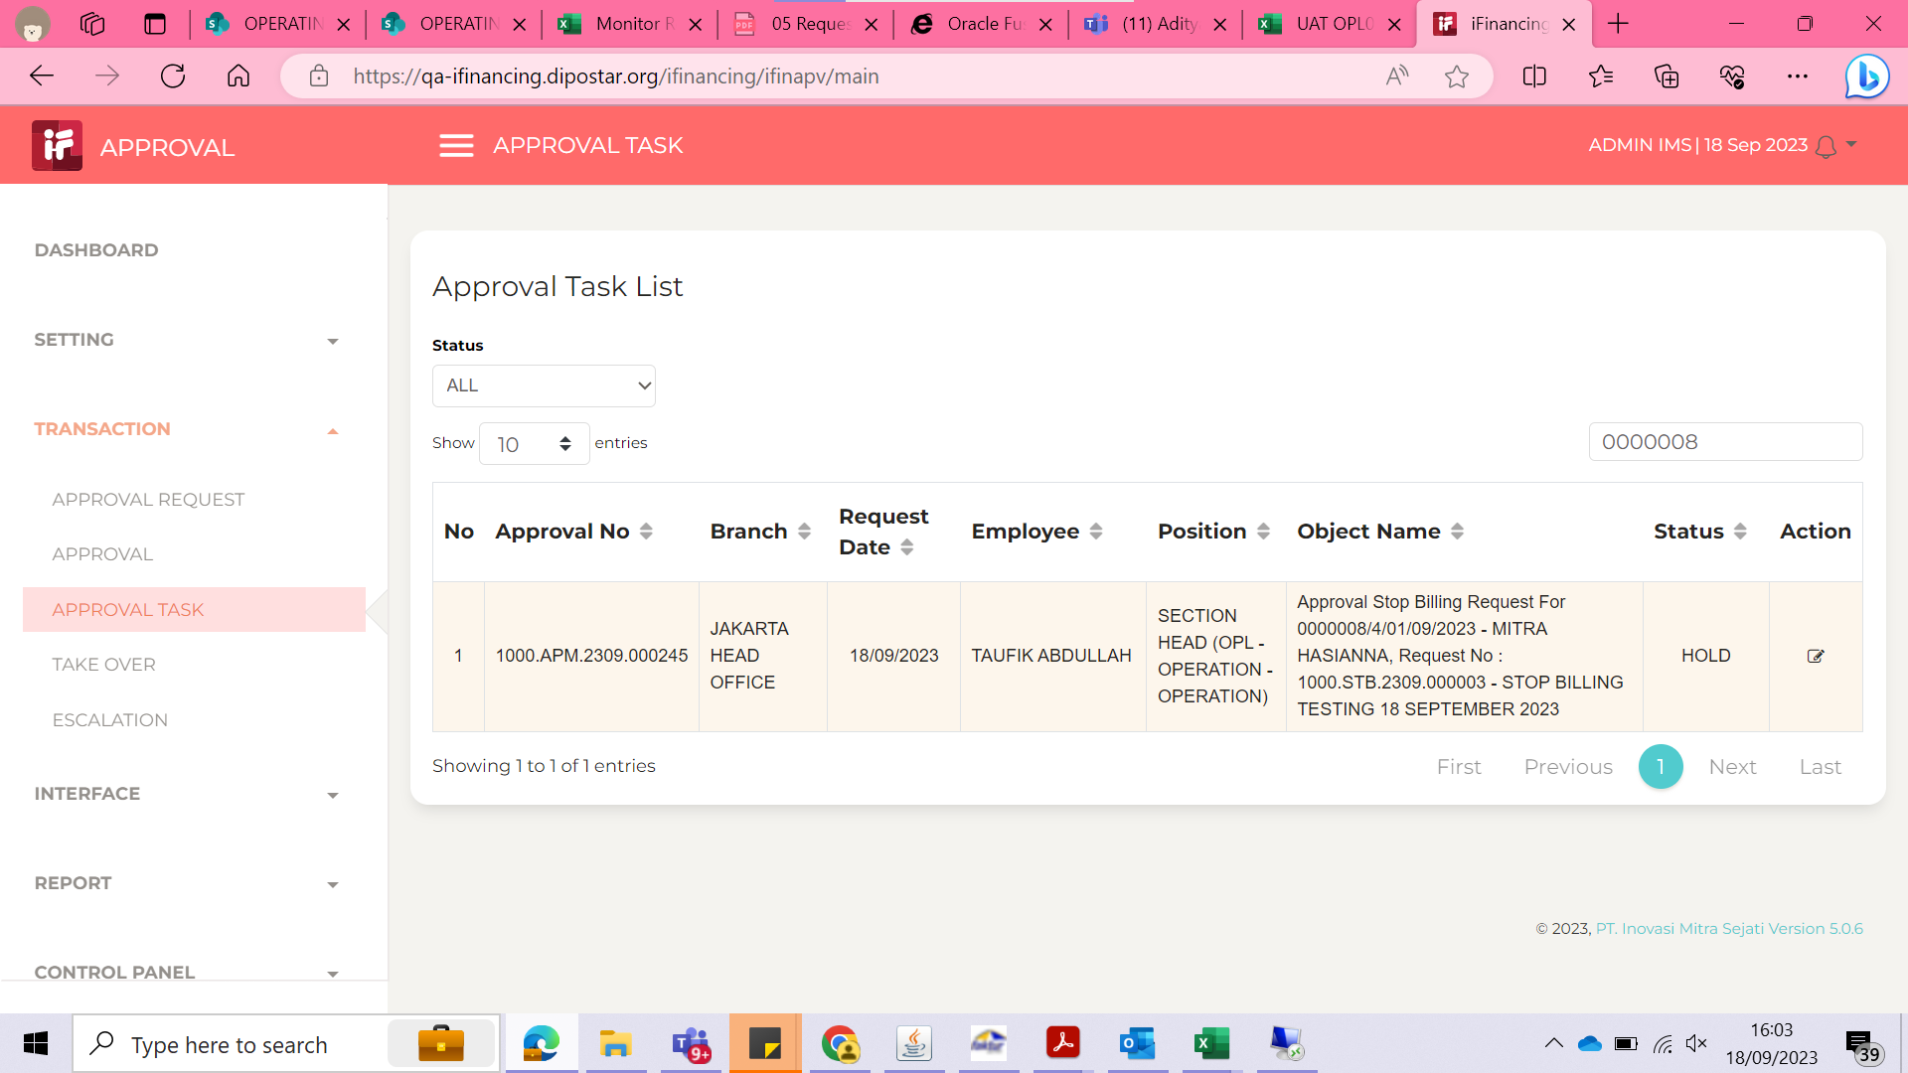

5
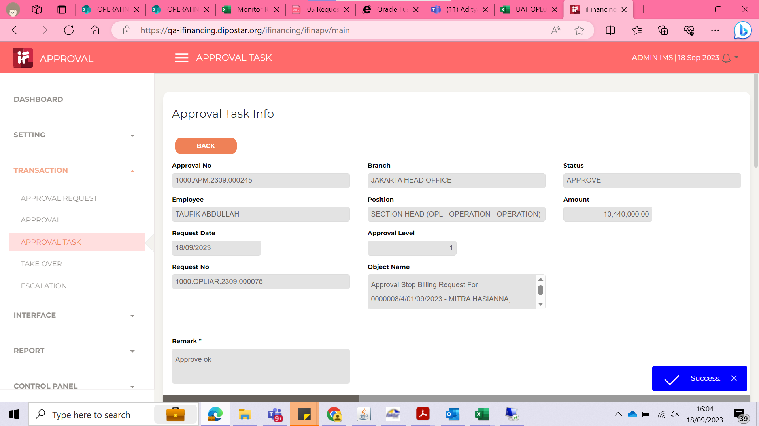

6
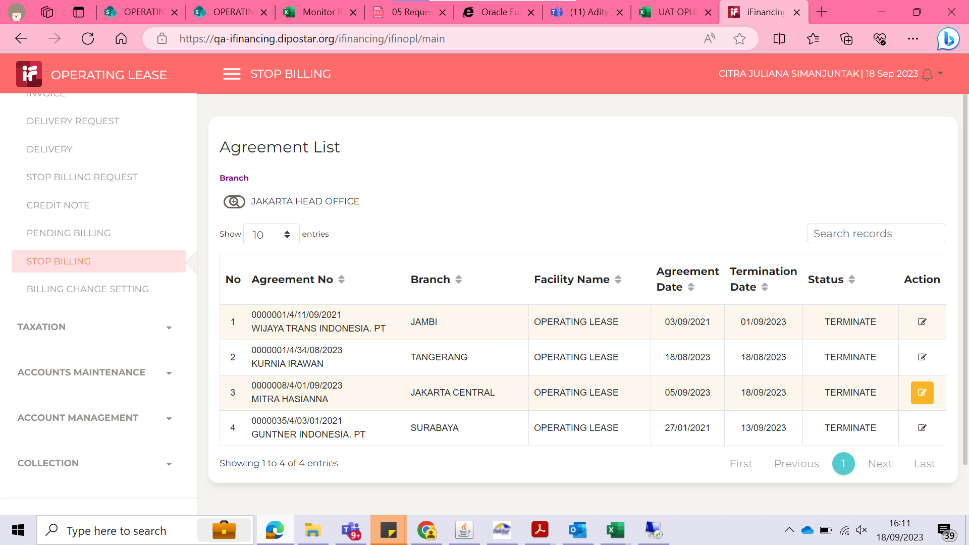
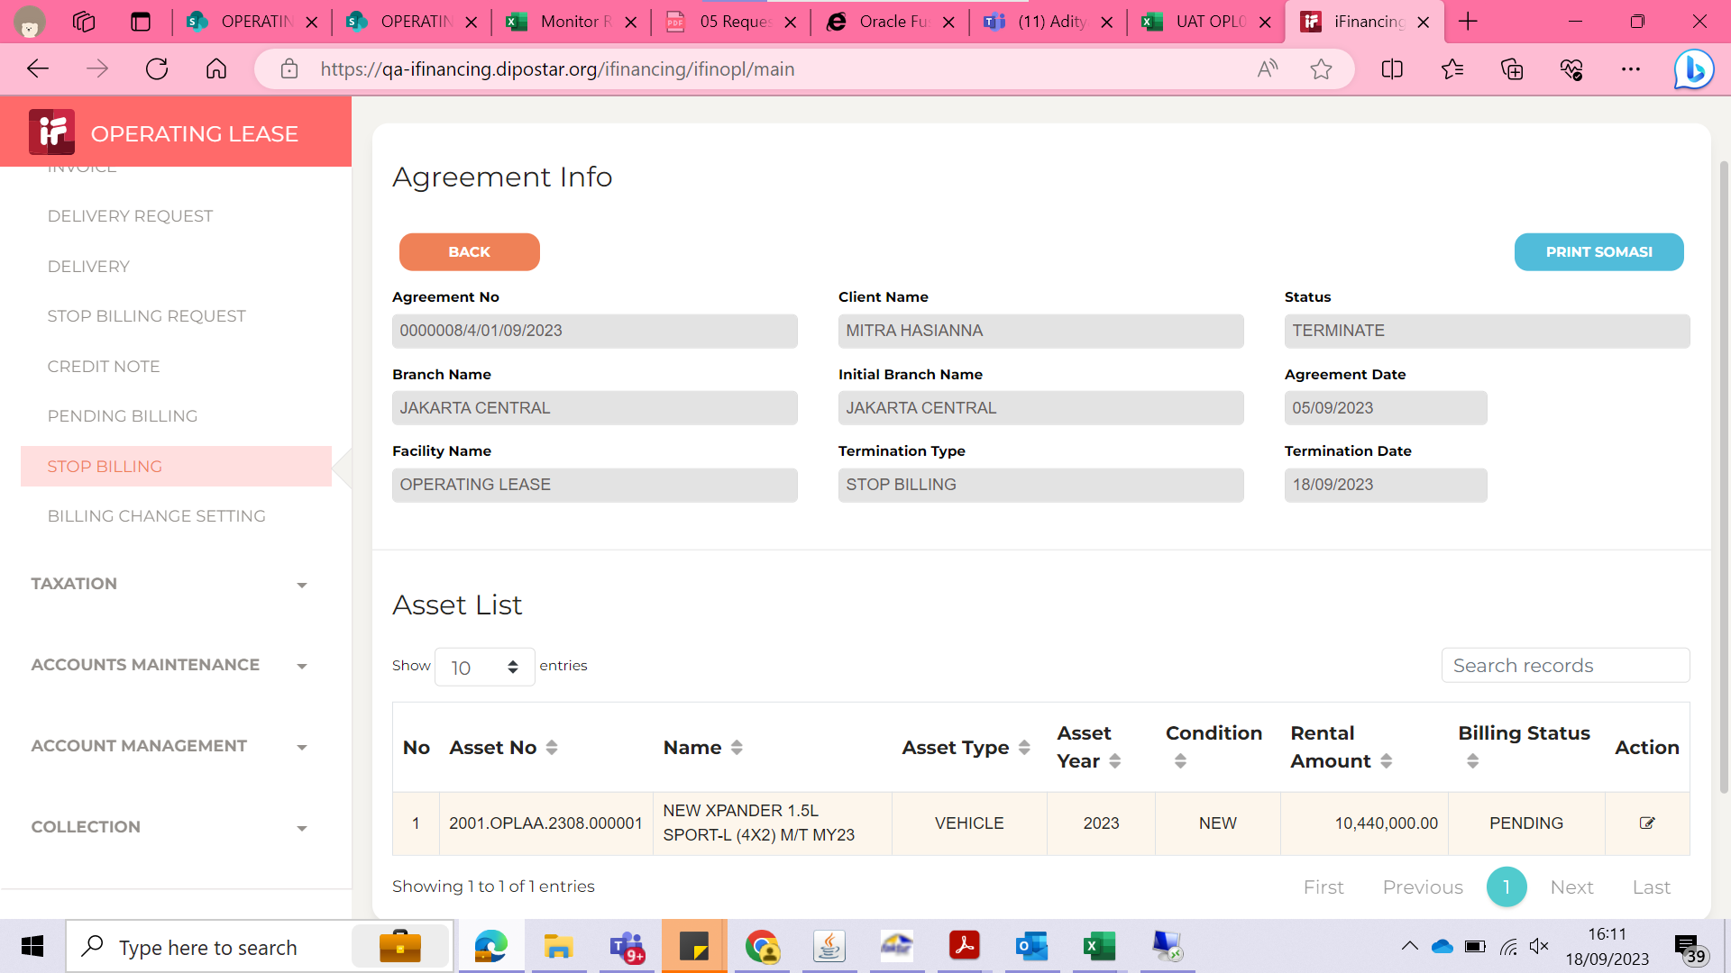

7

8

9

10

11

13

14

15

16

17

18

19

20

21

22

36

37

38

39

41

43

44

45

46

